Sheet1
NAME | WORKDONE | CONRIBUTION | IMAGES
Altaf Ahmad (230350125008) | Work on complete deployment | 24%
Mayank Jain (230350125044) | Work on model refance toDeFOG (defog) dataset, comprising data series collected in the subject's home | 28% | 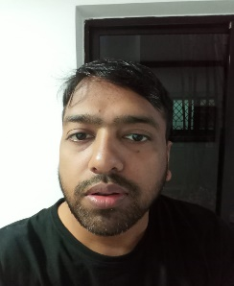
Swapnil Devidas Chavan (230350125082) | Work on model refer to The tDCS FOG (tdcsfog) dataset, comprising data series collected in the lab and help in deployment | 27%
Ninad Inamdar Bhirdikar (230350125051) | Work done on model runing on pandas and paper work | 21%

